Sheet1
 |  | Document No. | Issue No. | Issue Date |  | Review and Replace Date |  | Authorised By
 |  | GFF014MC | 1 | 2022-04-08 |  | New issue
 |  | Document Title | GC- 10 Vegetable Spring Roll | 850G-High Risk
 |  |  |  |  |  |  |  | Magda Shah
Document amendments reason for change |  | New Issue | Page 1 of 1 |  | Previous Issue Date |  | New issue | Uncontrolled copy unless signed original

CVSRL-B10T | Gazebo (BULK-SNACKS) |  | GC- 10 Vegetable Spring Roll | 850G X 1
STEP 1 |  |  |  |  | STEP 2


Tray: Transparent Tray 596-HW308/60-8263-PKNUT001-05 |  |  |  |  | Vegetable Spring Roll (GFF114R): 85g 10 Pieces ( 850g)
Film: PP340 AF 340mm X 500m AF Weld PP (PKPRO001-15)
STEP 3
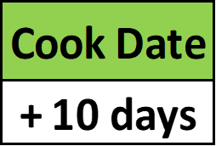 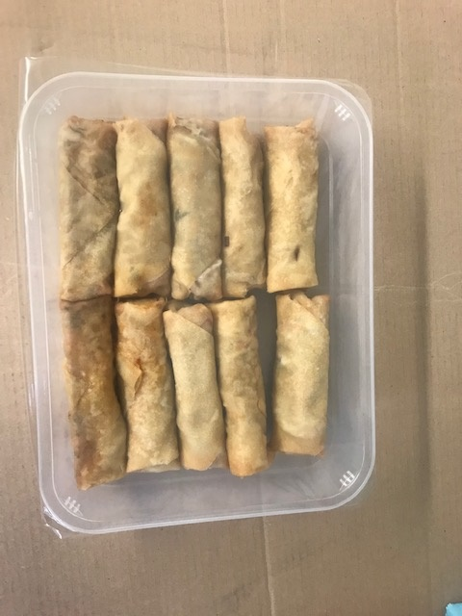

+ 18 Days

TOTAL WEIGHT: 850g

ALLERGY ALERT: WHEAT,SOYA

